Case Study on Angular
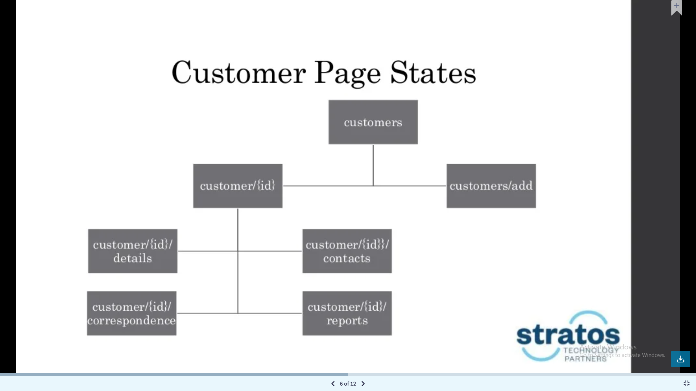
Case Study on Angular | Total days
 | 2

Case Study on React
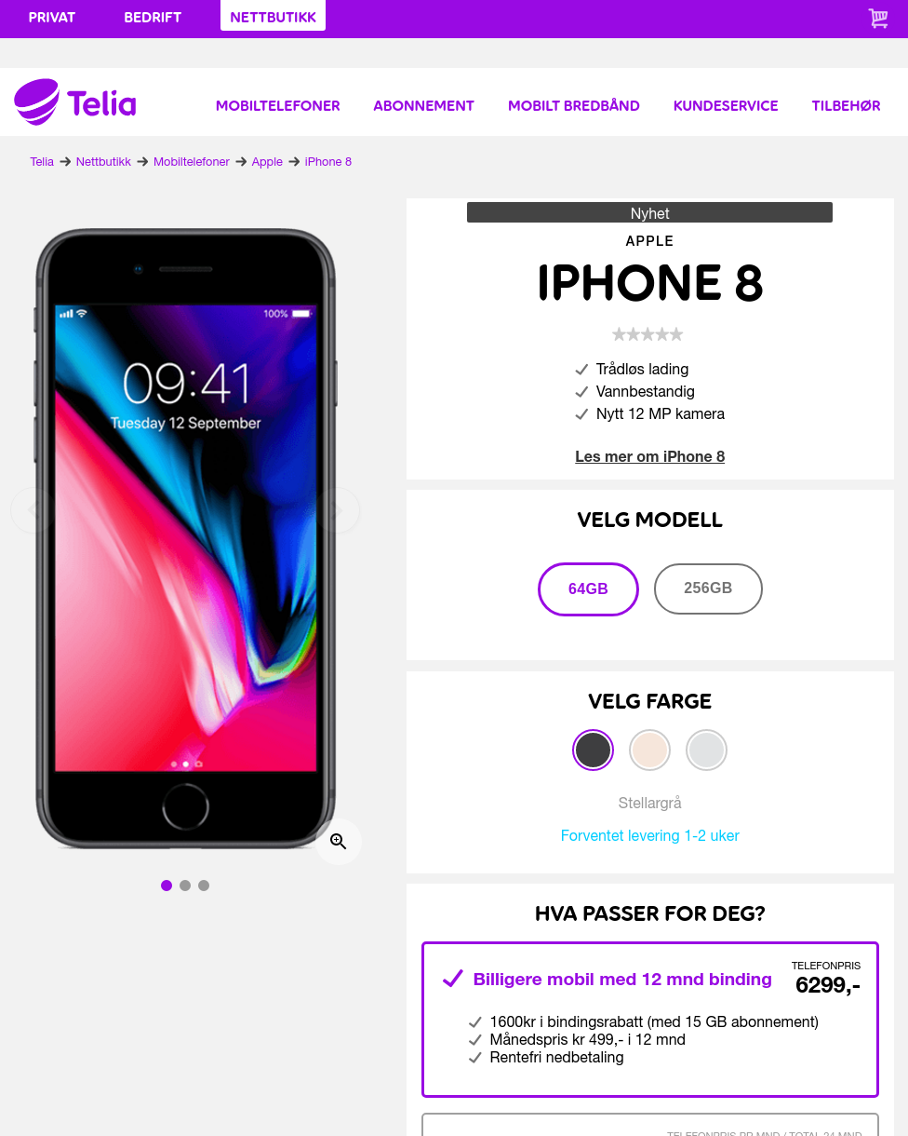
Case Study on React | Total days
 | 2

